Calculations
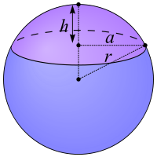
Coordinates of Scale on Drawing |  |  |  |  |  | Not used
lat conversion |  | 363842.16 | ft/deg lat
lon conversion |  | 307599.08 | ft/deg lon

Ө
Scale | 5593.78 | ft
 | 300 | ft
Scale by | 0.053630997286 |  |  |  |  |  | a = ((V*6/(pi()*h)-h²)/3)^(0.5)

Coordinates of Corners of Drawing |  |  |  |  |  |  | r | 6371.0 | km (mean radius of earth)
 | lat |  |  | lon |  |  | Ө | 80.197219 | ⁰
North | 80.230431 | ⁰ | East | 32.786915 | ⁰ |  | a | 1084.7094386 | km =(cos(Ө)*r)
South | 80.164007 | ⁰ | West | 32.130111 | ⁰ |  | C | 6815.4304074 | km (circumference at that latitude)
 |  |  |  |  |  |  |  | 22360336.698 | ft
Length | 24167.85 | 202032.31 |  |  |  |  | lat conv |  | ft/⁰
Scaled | 1296.15 | 10835.19 |  |  |  |  | lon conv | 62112.046383 | ft/⁰

 | lat |  |  | lon |  |  |  | 307374.05
North | 80.167569385 | ⁰ | East | 32.165336054 | ⁰
South | 80.164007 | ⁰ | West | 32.130111 | ⁰

Length | 1296.15 | 10835.19

